TECHNICAL SHEET GARMENT
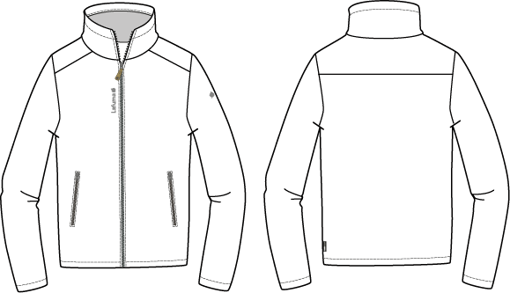
 |  |  | TECHNICAL SHEET GARMENT | FW18/19
LFV 11445 |  | JASPER SOFTSHELL |  | INDEX | V1BULK
FABRIC / SUPPLIER: |  | DT-1598 / DRYTEX |  | DEVELOPPER |  | Marjorie
DATE | 2020-01-03 |  |  | SUPPLIER : |  | PRIMA CHANNEL

MEN JKT COUNTER SAMPLE
 |  | COUNTER SAMPLE |  |  |  |  |  | FW18/19
LFV 11445 |  |  | JASPER SOFTSHELL |  |  |  |  | INDEX | V1BULK
FABRIC / SUPPLIER: |  | DT-1598 / DRYTEX |  |  |  |  |  | DEVELOPPER |  | Marjorie
DATE | 2020-01-03 |  |  |  |  |  |  | SUPPLIER : |  | PRIMA CHANNEL

MEASUREMENTS TAKEN ON FINISH PRODUCT |  |  |  |  |  | 銷售樣 |  | 大貨
MEASUREMENTS IN CM |  |  |  |  | ALLOWANCES | Measures to follow for making SMS | SMS ASPHALTE measures the 21//12/2017 | Measures to follow for BULK
FRONT JACKET MEASUREMENTS (IN CM) |  |  |  |  |  | M | M | M
B | FRONT BREADTH AT 15CM FROM HPS |  |  | 上胸寬(領肩點下15cm) | +/- 0,5 cm | 42 | 43 | 42 | 1
C | 1/2 CHEST ROUND |  |  | 1/2胸圍(腋點量) | +/- 1 cm | 57 | 57 | 57
D | 1/2 WAIST ROUND AT 44CM FROM HPS |  |  | 1/2腰圍(領肩點下44cm) | +/- 1 cm | 55 | 54 | 55 | -1
IA | 1/2 BOTTOM ROUND RELAXED |  |  | 1/2下襬(平量) | +/- 1 cm | 55 | 54 | 55 | -1
JA | TOTAL LENGHT FROM HPS |  |  | 前身長(領肩點量) | +/- 1 cm | 71 | 70 | 71 | -1
KA | SHOULDER LENGHT |  |  | 單肩寬 | +/- 0.5 cm | 14 | 14 | 14
KD | ARMHOLE HEIGHT - FOLLOWING ARMHOLE ROUND |  |  | 袖襱高 | +/- 0.5 cm | 24.5 | 24.5 | 24.5
LA | 1/2 UPPER ARM WIDTH |  |  | 1/2袖寬(腋點垂直量) | +/- 0,5 cm | 22.5 | 22 | 22.5 | -0.5
LB | 1/2 ELBOW WIDTH AT 30CM FROM BOTTOM |  |  | 1/2肘寬(袖口上30cm) | +/- 0,5 cm | 18 | 17.5 | 18 | -0.5
LC | 1/2 CUFF WIDTH RELAXED |  |  | 1/2袖口寬(平量) | +/- 0,5 cm | 14 | 14 | 14
N | TOTAL SLEEVE LENGHT |  |  | 袖長(肩點量) | +/- 1 cm | 65 | 65 | 66 | -1
BACK JACKET MEASUREMENTS (IN CM)
R | BACK BREADTH AT 15CM FROM HPS |  |  | 上背寬(領肩點下15cm) | +/- 0,5 cm | 44.5 | 44.5 | 44.5
S | CENTER BACK LENGTH |  |  | 後身長(後中領圍至下襬) | +/- 1 cm | 71 | 70 | 71 | -1
S1 | BACK YOKE HEIGHT |  |  | 後背剪接高 | +/- 0,5 cm | 15 | 14 | 15 | -1
COLLAR MEASUREMENTS (IN CM)
UA1 | NECK WIDTH |  |  | 領寬 | +/- 1 cm | 20 | 20 | 20
UA2 | FRONT NECK DEPTH |  |  | 前領深 | +/- 1 cm | 8 | 8 | 9 | -1
UB1 | NECKLINE LENGHT |  |  | 下領圍 | +/- 1 cm | 50 | 51 | 51
UB2 | COLLAR LENGHT AT THE TOP EDGE |  |  | 上領圍 | +/- 1 cm | 48 | 48 | 48
UC1 | COLLAR HEIGHT AT MIDDLE BACK |  |  | 後領高 | +/- 0,5 cm | 7 | 8 | 7 | 1
UC3 | COLLAR HEIGHT AT MIDDLE FRONT |  |  | 前領高 | +/- 0,5 cm | 7 | 7.5 | 7 | 0.5
OTHER MEASUREMENTS (IN CM)
Z1 | MIDDLE FRONT ZIPPER LENGHT |  |  | 門襟拉鍊長 | +/- 0,5 cm | 70 | 70 | 70
Z2 | FRONT POCKET LENGHT |  |  | 側袋開口長 | +/- 0,5 cm | 18 | 17.5 | 18 | -0.5
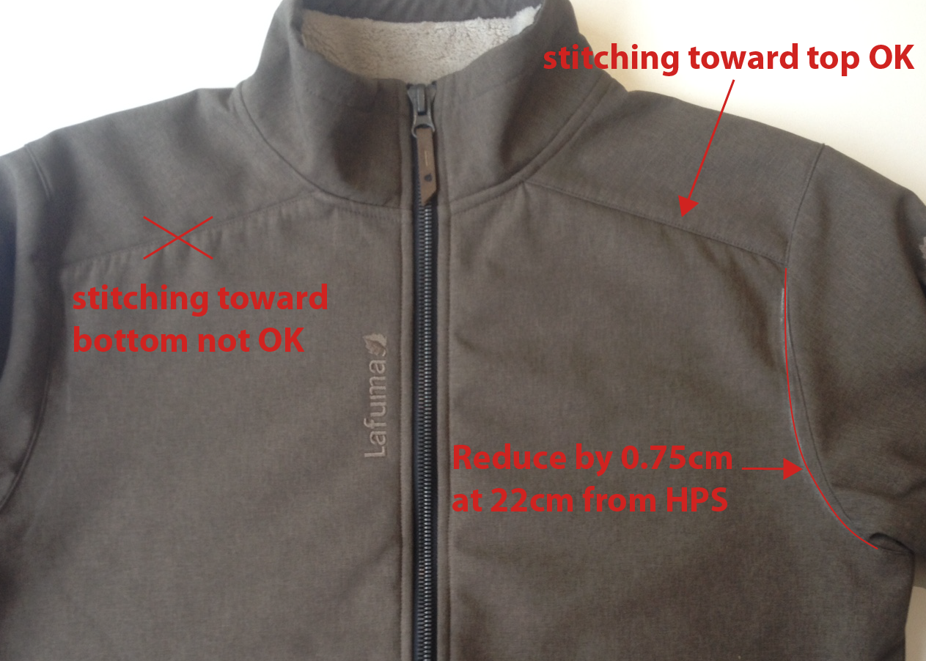
Comments on 2nd sample in Taipei the 15/07/2017
Order fabric DT-989 for SMS, it will be DT-1598 for BULK
Change zipper pocket for reversed #5 i/o metaluxe
Remove bottom adjustement (elastic string, stopper, eyelet)

Comments on 2nd sample in Annecy the 25/07/2017
Reduce front breadth at 22cm from HPS -0,75cm
Stitching toward top is OK on top yoke

Follow comments for making SMS

Comments on SMS the 21/12/2017
HANG TAG
Hang tag corporate & windactive must be small # HT-394082-E & HT-396073-E |  |  |  |  | 吊牌改為用#HT-394082-E (i/o #HT-394081-E)
 |  |  |  |  | 吊牌改為用#HT-396073-E (i/o #HT-394137-E)
MEASURES
Increase sleeve by 1cm to have 66cm i/o 65cm |  |  |  |  | 袖長增加1CM, 改為66CM
Increase front neck depth by 1cm to have 9cm i/o 8cm |  |  |  |  | 前領深增加1CM, 改為9CM

OK BULK following comments, please send size set to France ( size S and size XL) |  |  |  |  | 依照以上修正後可作大貨
 |  |  |  |  | 需提供尺寸套SIZE：S & XL至法國

DETAILS JKT
 |  | DETAILS JKT |  | FW18/19
LFV 11445 |  |  | JASPER SOFTSHELL | INDEX | V1BULK
FABRIC / SUPPLIER: |  | DT-1598 / DRYTEX |  | DEVELOPPER |  | Marjorie
DATE | 2020-01-03 |  |  | SUPPLIER : |  | PRIMA CHANNEL
領內貼配布H:2cm,包光壓單針,內下領片為表布背面(毛面).
※整件剪接壓臨邊單針,縫份用配布包邊(袖襱用密拷即可)
 |  |  | COTTON TOUCH
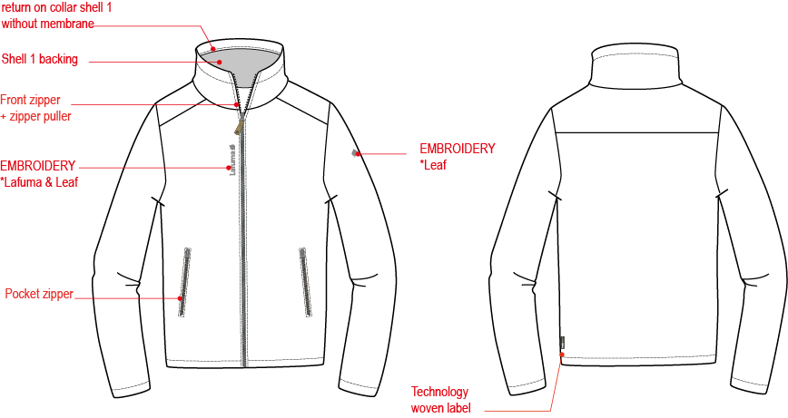
肩剪接壓臨邊線,缝份倒向肩膀

門襟車#8塑鋼拉鍊+拉片,壓1/4"單針,露齒做法, W:1.5cm,拉鍊底端兩側打直結.拉鍊布帶要遮住門襟布邊.
壓臨邊線

繡花2cm

繡花7.2cm

側袋車#5尼龍反拉拉鍊,向上拉合,露齒作法W:1.2cm,邊壓臨邊線,上/下袋端打橫結.袋裡手心面-表布正面+手背面超細天鵝絨。

織標LW051-E
袖口內貼配布,高:1"壓單針.

下襬內貼配布,高:1",內貼壓單針.

INSIDE DETAILS
 |  | INSIDE DETAILS |  | FW18/19
LFV 11445 |  |  | JASPER SOFTSHELL | INDEX | V1BULK
FABRIC / SUPPLIER: |  | DT-1598 / DRYTEX |  | DEVELOPPER |  | Marjorie
DATE | 2020-01-03 |  |  | SUPPLIER : |  | PRIMA CHANNEL
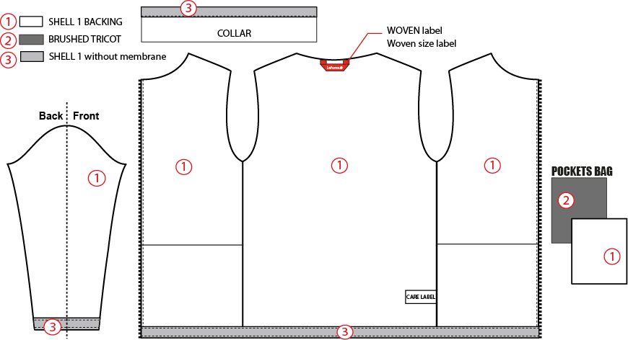
內下領圍車人織帶W:1.2cm,大身壓1/4"單針固定,蓋住領圍縫份.

COTTON TOUCH

手背面

手心面

袖口內貼配布,高:1"壓單針.
下襬內貼配布,高:1",內貼壓單針

COLOR SKETCH
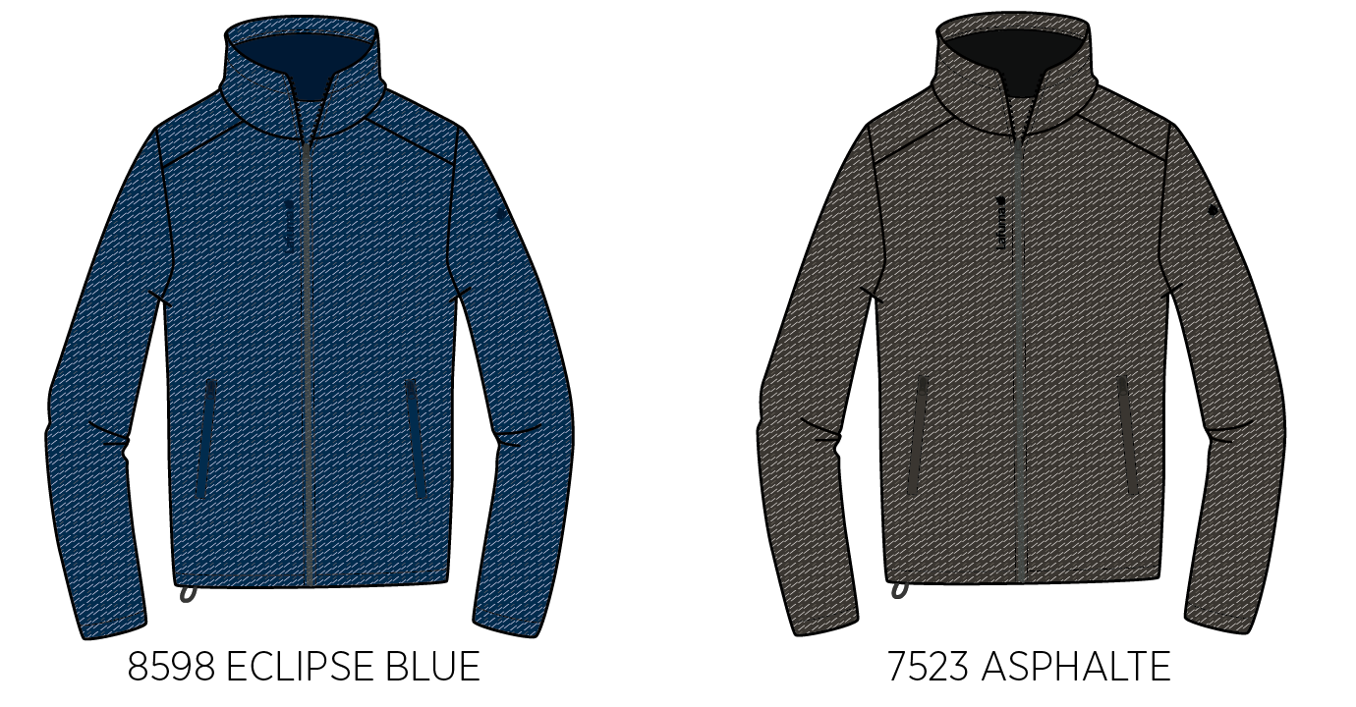
 |  | COLOR SKETCH |  | FW18/19
LFV 11445 |  |  | JASPER SOFTSHELL | INDEX | V1BULK
FABRIC / SUPPLIER: |  | DT-1598 / DRYTEX |  | DEVELOPPER |  | Marjorie
DATE | 2020-01-03 |  |  | SUPPLIER : |  | PRIMA CHANNEL

COLOR COMBINATION
 |  | COLOR COMBINATION |  |  |  |  |  |  |  | WINTER 2017/18
LFV 11424 |  |  |  |  |  |  | TRACK SOFTSHELL JKT |  | INDEX | V1BULK
FABRIC / SUPPLIER: |  | DT-1598 / DRYTEX |  |  |  |  |  |  | DEVELOPPER |  |  | Marjorie
DATE | 2017-04-12 |  |  |  |  |  |  |  | SUPPLIER : |  |  | PRIMA CHANNEL
FABRIC |  |  |  | SUPPLIER |  |  | ASLPHALTE 7523 | ECLIPSE BLUE 8598
SHELL 1 - DT-1598 |  |  |  | DRYTEX | FULL GARMENT |  | ASPHALTE | SAPHIR
COTTON TOUCH |  |  |  | LOCAL | BOTTOM, SLEEVE, COLLAR FACING |  | DARK GREY | DARK GREY
BRUSHED TRICOT |  |  |  | LOCAL | POCKET BAG |  | BLACK | BLACK
NON WOVEN |  |  |  | LOCAL | EMBROIDERIES BACKSIDE |  | STANDARD | STANDARD
TRIMMING AND ACCESSORIES
 | DESCRIPTION |  | REF | SUPPLIER | DESIGNATION | QTY | ASLPHALTE 7523 | ECLIPSE BLUE 8598 | XS | S | M | L | XL | XXL
#8 Matellic Plastic Zipper, Open End, Right Insert, Autolock Slider with DALH puller in enamel |  |  | VSO-V-86-DALH | SHZ | 1x Front zip | 1 | BLACK TAPE : 580 TEETH : DARK NICKEL | ECLIPSE BLUE TAPE : 960 TEETH : DARK NICKEL
Zipper reversed # 5 1 WAY - non separable - non lock |  |  |  | MAX zipper | 2x Hands pockets | 2 | BLACK 580 | ECLIPSE BLUE 960
cord puller |  |  | ZP072-E | DRAGON TIMES | 1x Front zip | 1 | BLACK | BLACK
COTTON HERRINGBONE TWILL TAPE 12mm |  |  |  | LOCAL | 1x Neckline finishing | 1 | BLACK | BLACK
MARKING
EMBROIDERY LAFUMA 72x13mm |  |  |  | LOCAL / MING SHYANG | Right top front | 1 | BLACK | ECLIPSE BLUE 30055
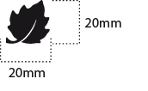 Embroidery LEAF 20mm |  |  |  | LOCAL / MING SHYANG | Left top sleeve | 1 | BLACK | ECLIPSE BLUE 30055
LABELS
MAIN LABEL medium size |  |  | LW034-E | SML | Neckline / centered | 1 | ORANGE
SIZE WOVEN LABEL MMG MEN ALPHA/TOP |  |  | LWS18-01 | SML | Neckline / centered | 1 | STANDARD
WOVEN LABEL WINDACTIVE |  |  | LW051-E | TRIPLE STAR | left side seam | 1 | STANDARD BLACK
 Care Label & P.O. Label |  |  | LC011-E | SML | left side seam | 1 | WHITE satin
HANG TAG
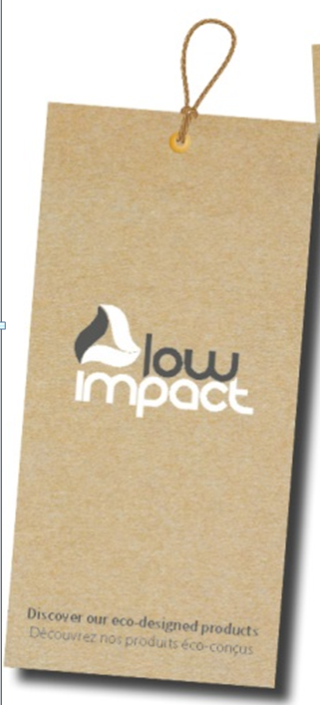 HANG TAG LOW IMPACT |  |  | HT394299-E | TRIPLE STAR |  | 1 | STANDARD
 HANGTAG LAFUMA CORPORATE |  |  | SMALL HT-394082-E | TRIPLE STAR | Left side pocket | 1 | STANDARD
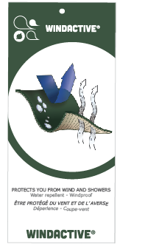 HANGTAG LAFUMA WINDACTIVE |  |  | SMALL HT-396073-E | TRIPLE STAR | INSERTED INSIDE CORPORATE HANGTAG | 1 | STANDARD
 HANG TAG PFC FREE |  |  | HT394145-E | TRIPLE STAR |  | 1 | STANDARD
 GENCODE STICKER |  |  |  | LOCAL |  | 2 | STANDART
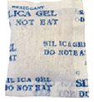 SILICA GEL DMF U FREE 5gr |  |  |  | LOCAL |  | 1 | STANDARD
 POLYBAG |  |  |  | LOCAL |  | 1 | STANDARD
 |  |  |  | LOCAL |  | 1 | STANDARD

MARKING
 |  |  |  | MARKING |  |  | FW18/19
LFV 11445 |  |  | JASPER SOFTSHELL |  |  |  | INDEX | V1BULK
FABRIC / SUPPLIER: |  | DT-1598 / DRYTEX |  |  |  |  | DEVELOPPER |  | Marjorie
DATE | 2020-01-03 |  |  |  |  |  | SUPPLIER : |  | PRIMA CHANNEL
DESIGNATION |  |  |  |  |  | POSITION
LAFUMA+楓葉繡花7.2cm
穿者右前胸領圍下8cm
距門襟拉鍊1.5cm
EMBROIDERY LAFUMA 72 mm |  |  |  |  | RIGHT TOP FRONT * VERTICAL POSITION : 8 cm from neckline * ALONG FRONT: 1 ,5 cm from center zipper
楓葉繡花2cm
穿者左袖肩點下8cm
EMBROIDERY LAFUMA FEUILLE 20 mm |  |  |  |  | 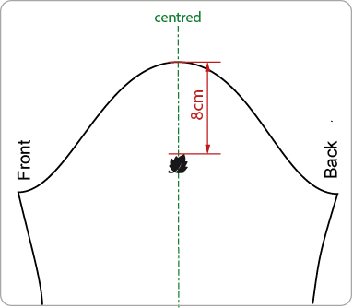 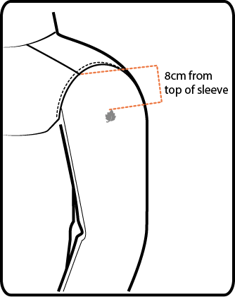 LEFT TOP SLEEVE 8 cm from top sleeve
穿者左後脇邊下襬上7cm。
WOVEN LABEL WINDACTIVE |  |  |  |  | Left side seam 7cm from bottom finishing edge
 | 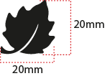

JACKET SKETCH MEASUREMENTS
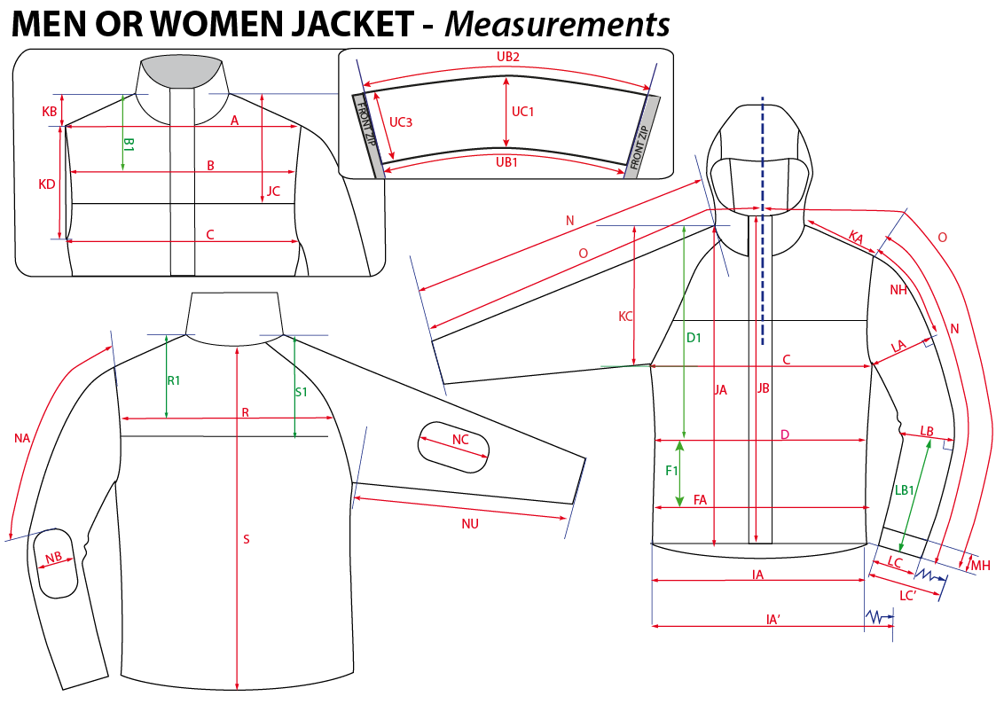
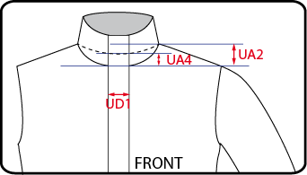
 |  | HOW TO TAKE MEASUREMENTS | FW18/19
LFV 11445 |  | JASPER SOFTSHELL |  | INDEX | V1BULK
FABRIC / SUPPLIER: |  | DT-1598 / DRYTEX | DEVELOPPER |  | Marjorie
DATE | 2020-01-03 |  | SUPPLIER : |  | PRIMA CHANNEL

